Summary
Chapter Member Performance Report

 |  |  |  |  |  | 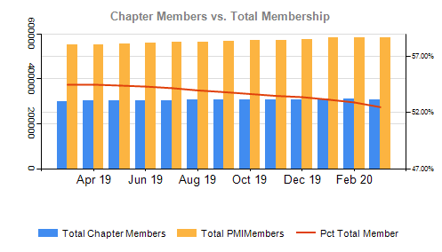
 |  | Total Chapter Members ¹ | Total PMI Members ² | Pct Total Member
 |  | 299,182 | 549,296 | 54.47%
 |  | 300,478 | 551,566 | 54.48%
 |  | 302,188 | 555,517 | 54.40%
 |  | 302,503 | 556,975 | 54.31%
 |  | 303,841 | 560,885 | 54.17%
 |  | 304,410 | 564,058 | 53.97%
 |  | 305,790 | 568,199 | 53.82%
 |  | 306,360 | 571,017 | 53.65%
 |  | 305,418 | 571,128 | 53.48%
 |  | 305,639 | 572,663 | 53.37%
 |  | 308,721 | 580,836 | 53.15%

 |  | 308,309 | 582,797 | 52.90%
 |  | 306,481 | 584,001 | 52.48%

 | Chapter MacroRegion Asia-Pacific Rolling Retention VS PMI |  |  |  | 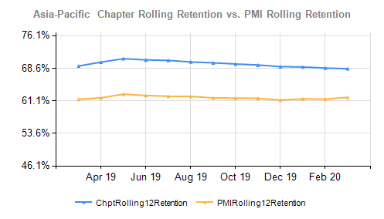
 | Year Mo | Chapter Rolling12 Retention ¹ | PMI Rolling 12 Retention ²
 | 2019-03-31 | 69.134% | 61.48%
 | 2019-04-30 | 70.029% | 61.81%
 | 2019-05-31 | 70.819% | 62.65%
 | 2019-06-30 | 70.54% | 62.35%
 | 2019-07-31 | 70.421% | 62.17%
 | 2019-08-31 | 70.083% | 62.13%
 | 2019-09-30 | 69.867% | 61.79%
 | 2019-10-31 | 69.603% | 61.76%
 | 2019-11-30 | 69.375% | 61.70%
 | 2019-12-31 | 68.992% | 61.32%

 | 2020-01-31 | 68.915% | 61.56%
 | 2020-02-29 | 68.665% | 61.52%
 | 2020-03-31 | 68.516% | 61.92%
 | ¹ Chapter Members in Chapter Counties ² PMI Members in countries with chapters
 | Chapter MacroRegion EMEA Rolling Retention VS PMI |  |  |  | 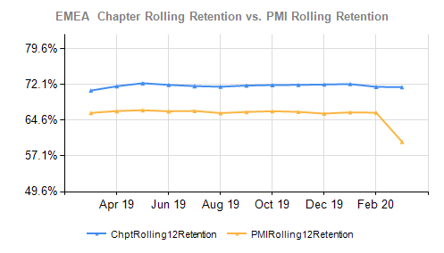
 | Year Mo | Chapter Rolling12 Retention ¹ | PMI Rolling 12 Retention ²
 | 2019-03-31 | 70.796% | 66.11%
 | 2019-04-30 | 71.694% | 66.50%
 | 2019-05-31 | 72.327% | 66.67%
 | 2019-06-30 | 71.983% | 66.45%
 | 2019-07-31 | 71.718% | 66.53%
 | 2019-08-31 | 71.599% | 66.08%
 | 2019-09-30 | 71.84% | 66.31%
 | 2019-10-31 | 71.94% | 66.47%
 | 2019-11-30 | 71.98% | 66.33%
 | 2019-12-31 | 72.064% | 65.97%

 | 2020-01-31 | 72.149% | 66.23%
 | 2020-02-29 | 71.572% | 66.16%
 | 2020-03-31 | 71.506% | 60.06%
 | ¹ Chapter Members in Chapter Counties ² PMI Members in countries with chapters
 | Chapter MacroRegion Latin America Rolling Retention VS PMI |  |  |  | 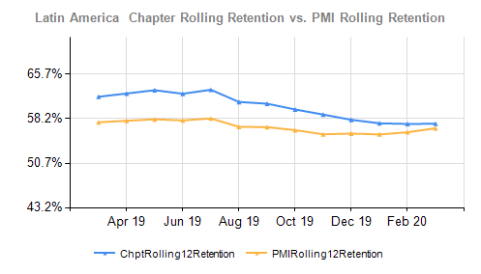
 | Year Mo | Chapter Rolling12 Retention ¹ | PMI Rolling 12 Retention ²
 | 2019-03-31 | 61.86% | 57.56%
 | 2019-04-30 | 62.41% | 57.82%
 | 2019-05-31 | 62.967% | 58.06%
 | 2019-06-30 | 62.371% | 57.88%
 | 2019-07-31 | 63.041% | 58.21%
 | 2019-08-31 | 60.984% | 56.80%
 | 2019-09-30 | 60.696% | 56.75%
 | 2019-10-31 | 59.721% | 56.24%
 | 2019-11-30 | 58.868% | 55.54%
 | 2019-12-31 | 57.979% | 55.66%

 | 2020-01-31 | 57.389% | 55.52%
 | 2020-02-29 | 57.277% | 55.88%
 | 2020-03-31 | 57.322% | 56.56%
 | ¹ Chapter Members in Chapter Counties ² PMI Members in countries with chapters
 | Chapter MacroRegion Northern America Rolling Retention VS PMI |  |  |  | 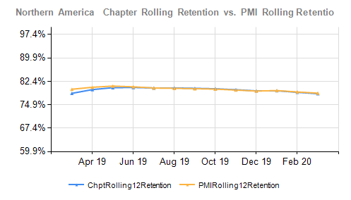
 | Year Mo | Chapter Rolling12 Retention ¹ | PMI Rolling 12 Retention ²
 | 2019-03-31 | 78.54% | 79.85%
 | 2019-04-30 | 79.742% | 80.48%
 | 2019-05-31 | 80.361% | 80.86%
 | 2019-06-30 | 80.41% | 80.63%
 | 2019-07-31 | 80.26% | 80.25%
 | 2019-08-31 | 80.281% | 80.15%
 | 2019-09-30 | 80.152% | 80.04%
 | 2019-10-31 | 80.013% | 79.89%
 | 2019-11-30 | 79.704% | 79.59%
 | 2019-12-31 | 79.324% | 79.27%

 | 2020-01-31 | 79.375% | 79.43%
 | 2020-02-29 | 78.862% | 78.98%
 | 2020-03-31 | 78.429% | 78.60%
 | ¹ Chapter Members in Chapter Counties ² PMI Members in countries with chapters

